OtherVariables
OTHER REFERENCED VARIABLES
Based Capacity

1 – CBD / Very High Density Urban
2 – High Density Urban
3 – Medium Density Urban
4 – Low Density Urban
5 – Suburban
6 – Exurban
7 – Rural

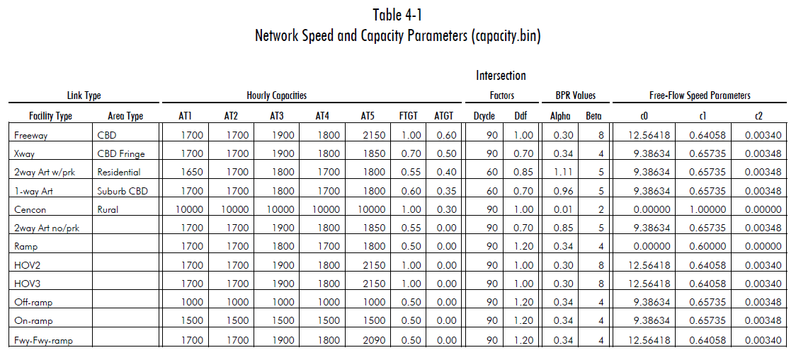
 |  | Central Business District | Central Business District Fringe | Residential | Suburb Central Business District | Rural |  |  | Central Business District | Central Business District Fringe | Residential | Suburb Central Business District | Rural
1 | Freeway | 1,700 | 1,700 | 1,900 | 1,800 | 2,150
2 | Expressway | 1,700 | 1,700 | 1,900 | 1,800 | 1,850 |  | Expressway | 1,700 | 1,700 | 1,700 | 1,900 | 1,800 | 1,850
3 | Two-Way Arterial (Parking) | 1,650 | 1,700 | 1,800 | 1,700 | 1,800 |  | Two-Way Arterial (Parking) | 1,650 | 1,700 | 1,800 | 1,700 | 1,800
4 | One-Way Arterial (Parking) | 1,700 | 1,700 | 1,800 | 1,700 | 1,800 |  | One-Way Arterial (Parking) | 1,700 | 1,700 | 1,800 | 1,700 | 1,800
5 | Two-Way Arterial (No Parking) | 1,700 | 1,700 | 1,900 | 1,800 | 1,850 |  | Two-Way Arterial (No Parking) | 1,700 | 1,700 | 1,900 | 1,800 | 1,850
6 | Collector | 1,650 | 1,700 | 1,800 | 1,700 | 1,800 |  | Collector | 1,650 | 1,700 | 1,800 | 1,700 | 1,800
7 | Ramp | 1,700 | 1,700 | 1,800 | 1,700 | 1,800 |  | Off-Ramp | 1,000 | 1,000 | 1,000 | 1,000 | 1,000
8 | HOV (all classes) | 1,700 | 1,700 | 1,900 | 1,800 | 2,150 |  | On-Ramp | 1,500 | 1,500 | 1,500 | 1,500 | 1,500
9 | Off-Ramp | 1,000 | 1,000 | 1,000 | 1,000 | 1,000
10 | On-Ramp | 1,500 | 1,500 | 1,500 | 1,500 | 1,500
11 | Freeway to Freeway Ramp | 1,700 | 1,700 | 1,900 | 1,800 | 2,090
 |  |  |  |  |  |  |  |  |  |  |  |  |  |  | 2025
 |  |  |  |  |  |  |  |  |  |  |  |  |  |  | 2026
 |  |  |  |  |  |  |  |  |  |  |  |  |  |  | 2027
 |  | C0 | C1 | C2 |  |  |  |  | C0 | C1 | C2 |  |  |  | 2028
1 | Freeway | 12.5642 | 0.6406 | 0.0034 |  |  |  | Freeway | 12.5642 | 0.6406 | 0.0034 |  |  |  | 2029
2 | Expressway | 9.3863 | 0.6574 | 0.0035 |  |  |  | Expressway | 9.3863 | 0.6574 | 0.0035 |  |  |  | 2030
3 | Two-Way Arterial (Parking) | 9.3863 | 0.6574 | 0.0035 |  |  |  | Two-Way Arterial (Parking) | 9.3863 | 0.6574 | 0.0035 |  |  |  | 2031
4 | One-Way Arterial (Parking) | 9.3863 | 0.6574 | 0.0035 |  |  |  | One-Way Arterial (Parking) | 9.3863 | 0.6574 | 0.0035 |  |  |  | 2032
5 | Two-Way Arterial (No Parking) | 9.3863 | 0.6574 | 0.0035 |  |  |  | Two-Way Arterial (No Parking) | 9.3863 | 0.6574 | 0.0035 |  |  |  | 2033
6 | Collector | 9.3863 | 0.6574 | 0.0035 |  |  |  | Collector | 9.3863 | 0.6574 | 0.0035 |  |  |  | 2034
7 | Ramp | 0.0000 | 0.6000 | 0.0000 |  |  |  | Ramp | 0.0000 | 0.6000 | 0.0000 |  |  |  | 2035
8 | HOV (all classes) | 12.5642 | 0.6406 | 0.0034 |  |  |  | HOV (all classes) | 12.5642 | 0.6406 | 0.0034 |  |  |  | 2036
9 | Off-Ramp | 9.3863 | 0.6574 | 0.0035 |  |  |  | Off-Ramp | 9.3863 | 0.6574 | 0.0035 |  |  |  | 2037
10 | On-Ramp | 9.3863 | 0.6574 | 0.0035 |  |  |  | On-Ramp | 9.3863 | 0.6574 | 0.0035 |  |  |  | 2038
11 | Freeway to Freeway Ramp | 12.5642 | 0.6406 | 0.0034 |  |  |  | Freeway to Freeway Ramp | 12.5642 | 0.6406 | 0.0034 |  |  |  | 2039 |  |  |  |  |  |  |  | .
 |  |  |  |  |  |  |  |  |  |  |  |  |  |  | 2040

ATMS
Level of Service Criteria for Signalized Intersections from HCM 2000
LOS | Control Delay per vehicle | General Description
 | (seconds per vehicle) | (signalized intersections)
A | ≤ 10 | Free Flow
B | > 10-20 | Stable Flow (slight delays)
C | > 20-35 | Stable Flow (acceptable delays)
D | > 35-55 | Approaching unstable flow (tolerable delay, occasionally wait through more than one signal cycle before proceeding)
E | > 55-80 | Unstable flow (intolerable delay)
F | > 80 | Forced flow (jammed)

Bicycle + Pedestrian + Transit

 | ADT adjustment Factor Lookup (adapted from CARB, 2008)
 | Non-university area | Length |  |  |  | University area
Factor | max ADT | < 1 | 1 - 2 | > 2 |  |  | max ADT | < 1 | 1 - 2 | > 2
 | 12000 | 0.0019 | 0.0029 | 0.0038 |  | Factor | 12000 | 0.0104 | 0.0155 | 0.0207
 | 24000 | 0.0014 | 0.002 | 0.0027 |  |  | 24000 | 0.0073 | 0.0109 | 0.0145
 | 30000 | 0.001 | 0.0014 | 0.0019 |  |  | 30000 | 0.0052 | 0.0078 | 0.0104

 | Destination Credits
 | Destinations examples: banks, churches, hospitals, park and ride, office parks, library, shopping, schools
 |  | 1/2 mile
 | at least 3 | 0.0005
 | 4 to 6 | 0.001
 | > 6 | 0.0015

 | Increase in transit trips based on type of access (2 percent for improved access to bus; 4 percent for improved access to fixed guideway)**

 | Area type | N | Y |  | VMT per Capita

 | CBD | 1.7% | 3.4% |  | From CUTR Model
 | CBD Fringe | 1.7% | 3.4% |  |  | 2005 | 2035 | 2055r | 2010 | 2020 | 2030
 | Residential | 1.6% | 3.2%
 | Suburban CBD | 1.7% | 3.4% |  | 0 - 499 | 11,422 | 13,798 | 16,191 | 11,818 | 12,610 | 13,402
 | Rural | 1.4% | 2.8% |  | 500 -1,999 | 10,083 | 12,196 | 14,359 | 10,435 | 11,140 | 11,844

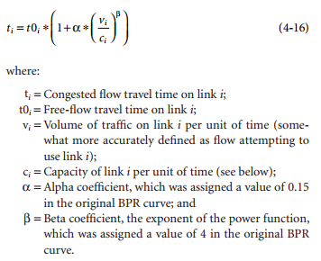
 |  |  |  |  | 2,000 - 3,999 | 9,345 | 11,345 | 13,406 | 9,678 | 10,345 | 11,012
Y |  |  |  |  | 4,000 - 9,999 | 7,986 | 9,782 | 11,651 | 8,285 | 8,884 | 9,483
N |  |  |  |  | 10,000+ | 4,437 | 5,651 | 5,940 | 4,639 | 5,044 | 5,449

 |  |  |  |  |  |  |  |  |  | Alpha | Beta
 |  |  |  |  |  |  |  |  | Freeway | 0.21 | 5.05
 |  |  |  |  |  |  |  |  | Expressway | 0.34 | 4
 |  |  |  |  |  |  |  |  | Two-Way Arterial (Parking) | 1.11 | 5
 |  |  |  |  |  |  |  |  | One-Way Arterial (Parking) | 0.96 | 5
 |  |  |  |  |  |  |  |  | Collector | 1.11 | 5.00
 |  |  |  |  |  |  |  |  | Two-Way Arterial (No Parking) | 0.85 | 5
 |  |  |  |  |  |  |  |  | Ramp | 0.34 | 4
 |  |  |  |  |  |  |  |  | HOV (all classes) | 0.30 | 8
 |  |  |  |  |  |  |  |  | Off-Ramp | 0.34 | 4
 |  |  |  |  |  |  |  |  | On-Ramp | 0.34 | 4
 |  |  |  |  |  |  |  |  | Freeway to Freeway Ramp | 0.34 | 4

Regionally Significant Bike/Ped Facility

 | ADT adjustment Factor Lookup (adapted from CARB, 2008)
 | Non-university area | Length |  |  |  | University area
 | max ADT | < 1 | 1 - 2 | > 2 |  |  | max ADT | < 1 | 1 - 2 | > 2
Factor | 12000 | 0.0019 | 0.0029 | 0.0038 |  | Factor | 12000 | 0.0104 | 0.0155 | 0.0207
 | 24000 | 0.0014 | 0.002 | 0.0027 |  |  | 24000 | 0.0073 | 0.0109 | 0.0145
 | 30000 | 0.001 | 0.0014 | 0.0019 |  |  | 30000 | 0.0052 | 0.0078 | 0.0104

 | Destination Credits
 | Destinations examples: banks, churches, hospitals, park and ride, office parks, library, shopping, schools
 |  | 1/2 mile
 | at least 3 | 0.0005
 | 4 to 6 | 0.001
 | > 6 | 0.0015

 | Increase in transit trips based on type of access (2 percent for improved access to bus; 4 percent for improved access to fixed guideway)**

 | Area type | N | Y |  | VMT per Capita | http://davidpritchard.org/sustrans/papers/Cam09/Moving%20Cooler_Appendices_Complete_102209.pdf

 | CBD | 1.7% | 3.4% |  | From CUTR Model
 | CBD Fringe | 1.7% | 3.4% |  |  | 2005 | 2035 | 2055r | 2010 | 2020 | 2030 |  |  | From Indy MPO
 | Residential | 1.6% | 3.2% |  |  |  |  |  |  |  |  |  |  |  | Density | Interpolated VMT | Fraction | New Percentage - Bus | New Percentage - Fixed |  | Density | VMT
 | Suburban CBD | 1.7% | 3.4% | 250 | 0 - 499 | 11,422 | 13,798 | 16,191 | 11,818 | 12,610 | 13,402 |  |  | CBD | 2,821 | 9,756 | 0.85 | 1.7% | 3.4% | CBD | 7000 | 8,285
 | Rural | 1.4% | 2.8% | 1250 | 500 -1,999 | 10,083 | 12,196 | 14,359 | 10,435 | 11,140 | 11,844 |  |  | CBD Fringe | 2,799 | 9,765 | 0.85 | 1.7% | 3.4% | Urban | 3000 | 9,678
 |  |  |  |  |  |  |  |  |  |  |  |  |  | Residential | 1,354 | 10,390 | 0.80 | 1.6% | 3.2% | Suburban | 1250 | 10,435
 |  |  |  | 3000 | 2,000 - 3,999 | 9,345 | 11,345 | 13,406 | 9,678 | 10,345 | 11,012 |  |  | Suburban CBD | 2,876 | 9,732 | 0.85 | 1.7% | 3.4% | Difficult Terrain | 250 | 11,818
 |  |  |  | 7000 | 4,000 - 9,999 | 7,986 | 9,782 | 11,651 | 8,285 | 8,884 | 9,483 |  |  | Rural | 121 | 11,818 | 0.70 | 1.4% | 2.8%
 |  |  |  |  | 10,000+ | 4,437 | 5,651 | 5,940 | 4,639 | 5,044 | 5,449

New Transit

Y |  |  | Population Density in Persons per Square Mile |  |  |  |  |  |  |  |  |  | Urban High Density |  | 2011
N |  |  | Under 500 | 500-1999 | 2000-3999 | 4000-9999 | > 10,000 |  |  |  |  |  | Urban Medium Density |  | 2012
 |  | Urban High Density | 0.21 | 0.33 | 0.26 | 0.41 | 0.05 |  | Urban High Density | Urban Very High Density | Urban |  | Suburban |  | 2013
 |  | Urban Medium Density | 0.4 | 0.29 | 0.5 | 0.48 | 0.81 |  |  | Urban High Density | Urban |  | Rural |  | 2014
 |  | Suburban | 0.3 | 0.44 | 0.51 | 0.49 | 1.16 |  | Urban Medium Density | Urban Medium Density | Second City |  |  |  | 2015
 |  | Rural | 1.74 | 1.08 | 0.66 | 1.08 | 3.77 |  |  | Urban Low Density | Second City |  |  |  | 2016
 |  |  |  |  |  |  |  |  | Suburban | Suburban | Suburb |  |  |  | 2017
Diesel Bus | B |  |  |  |  |  |  |  | Rural | Exurban | Small Town |  |  |  | 2018
CNG Bus | C |  |  |  |  |  |  |  |  | Rural | Small Town |  |  |  | 2019
LNG Bus | D
Hybrid Bus (Diesel-Electric) | E
Light Rail (Electric) | F
Heavy Rail (Electric) | G

Full Size Transit Bus
Paratransit/Shuttle Bus

ATMS

Y
N

